Sheet1
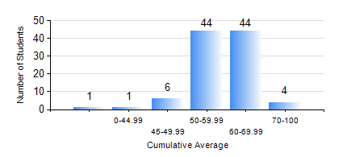
 |  |  | KWAME NKRUMAH UNIVERSITY OF SCIENCE AND TECHNOLOGY, KUMASI Department of Materials Engineering

 |  |  | BSC. METALLURGICAL ENG.

 |  |  | COMPREHENSIVE RECORD OF EXAMINATION RESULTS

 |  |  | RESULTS OF YEAR 1 SECOND SEMESTER, 2018/2019 ACADEMIC YEAR

 | Sn | Course Code |  | Course Name | Credit Hours | Min. Mark | Max. Mark | Avg. Mark | Std. Dev. | No. Passed | No. Trailed | No. (Df) | No. (I) | No. (I*) | No. Tagged(I,I*,Df) | Total
 | 0. |  |  |  |  |  |  | 0 | 0 | 0 | 0 | 0 | 0 | 0 | 0 | 2
 | 1. | ENGL 158 |  | COMMUNICATION SKILLS II | 2 | 41 | 76 | 58 | 7.82 | 98 | 0 | 0 | 0 | 0 | 0 | 98
 | 2. | MATH 152 |  | CALCULUS WITH ANALYSIS | 4 | 40 | 82 | 57 | 9.36 | 98 | 0 | 0 | 0 | 0 | 0 | 98
 | 3. | ME 160 |  | ENGINEERING DRAWING | 2 | 40 | 77 | 59 | 7.62 | 98 | 0 | 0 | 0 | 0 | 0 | 98
 | 4. | ME 162 |  | BASIC MECHANICS | 3 | 33 | 82 | 53 | 10.3 | 96 | 2 | 0 | 0 | 0 | 0 | 98
 | 5. | METE 152 |  | CHEMISTRY FOR METALLURGICAL ENGINEERS | 3 | 42 | 79 | 58 | 7.22 | 98 | 0 | 0 | 0 | 0 | 0 | 98
 | 6. | MSE 154 |  | PRINCIPLES OF MATERIALS SCIENCE I | 2 | 28 | 94 | 63 | 13.54 | 92 | 6 | 0 | 0 | 0 | 0 | 98
 | 7. | MSE 156 |  | ENVIRONMENTAL SCIENCE | 2 | 39 | 70 | 52 | 6.4 | 96 | 2 | 0 | 0 | 0 | 0 | 98

